Hourly Student Worker Payroll
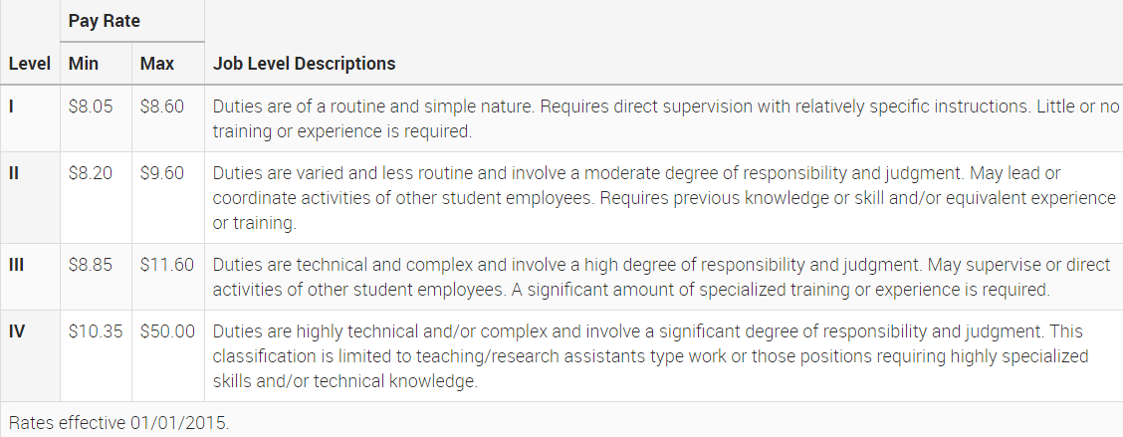
For Estimated Payroll Calculations of Hourly Student Workers
Last Modified 9/30/16
*Enter data into orange cells
*Select data from drop-down lists in yellow cells
*Green cells indicate a formula-do not override

Hourly Pay for Student Worker (Refer to Wage Scale Below) | 0.00
Number of Hours Worked Per Week (Student Workers Cannot Exceed 19 Hours/Week) | 0.00
 | FALSE | $-
ERE | 0.60% | $-
Risk Management | 1.00% | $-
Netcomm | 1.60% | $-
 | FALSE | $-
Total Payroll and Related Expenses |  | $-

Additional Resources:
Calculating Indirect Costs - https://researchadmin.asu.edu/fa/fa-wizard

